refund graph
 | Old one |  | Current

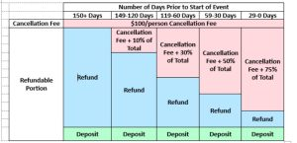
 |  | Number of Days Prior to the Start of Event
 |  | 150+ Days | 149-90 Days | 89-30 Days | 29-15 Days | 14-0 Days
 |  | $100/Person Cancellation Fee | $100/Person Cancellation Fee + 25% of Event Price | $100/Person Cancellation Fee + 50% of Event Price | $100/Person Cancellation Fee + 75% of Event Price | 100% of Event Price Not Refundable
 |  | Refund

 |  |  | Refund

 |  |  |  | Refund

 |  |  |  |  | Refund
 |  | Deposit | Deposit | Deposit | Deposit

· cancelled 150+ days prior to the start of the event, you will receive a full refund less the $100 per person cancellation fee.
· For reservations cancelled 149-90 days prior to the start of the event, you are responsible for 25% of the event price plus $100 per person cancellation fee.
· For reservations cancelled 89-30 days prior to the start of the event, you are responsible for 50% of the event price plus $100 per person cancellation fee.
· For reservations cancelled 29-15 days prior to the start of the event, you are responsible for 75% of the event price plus $100.00 per person cancellation fee.
· For reservations cancelled 29-15 days prior to the start of the event, you are responsible for 75% of the event price plus $100.00 per person cancellation fee. | If cancellation made less than 15 days from the start of the event, you are responsible for 100% of the event price and there will be

